DSP (ALCOHOL)
DATE | INV NO. | DESCRIPTIONS | QTY | PRICE | DISCOUNT | UNIT PRICE | SUBTOTAL | TOTAL | BILL
1-Nov-2025 | SO/DSP/25/11/0057 | DA VINCI LEONARDO PROSECCO DOC | 4 | IDR 370,000 | IDR 37,000 | IDR 333,000 | IDR 1,332,000 | IDR 2,376,000 | 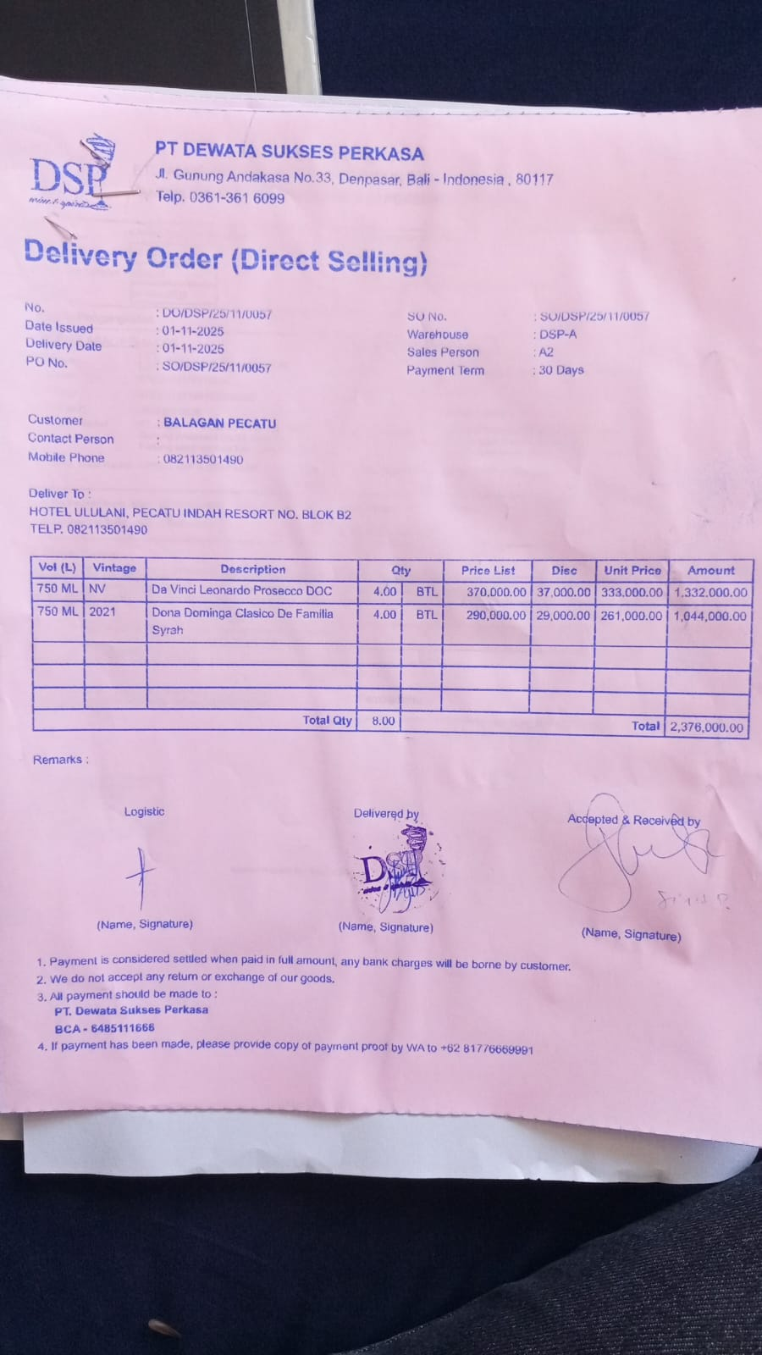
 |  | DONA DOMINGA CLASICO DE FAILIA SYRAH | 4 | IDR 290,000 | IDR 29,000 | IDR 261,000 | IDR 1,044,000
1-Nov-2025 | SOMDG/DSP/25/11/0002 | MDG - F VODKA | 3 | IDR 246,000 |  | IDR 246,000 | IDR 738,000 | IDR 738,000 | 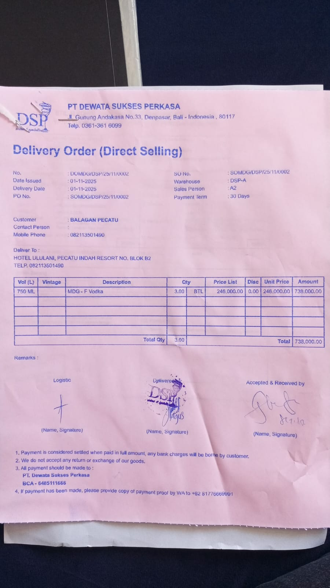
7-Nov-2025 | SO/DSP/25/11/0480 | MCGUIGAN - BLACK LABEL SAUVIGNON BLANC | 1 | IDR 295,000 | IDR 29,500 | IDR 265,500 | IDR 265,500 | IDR 265,500 | 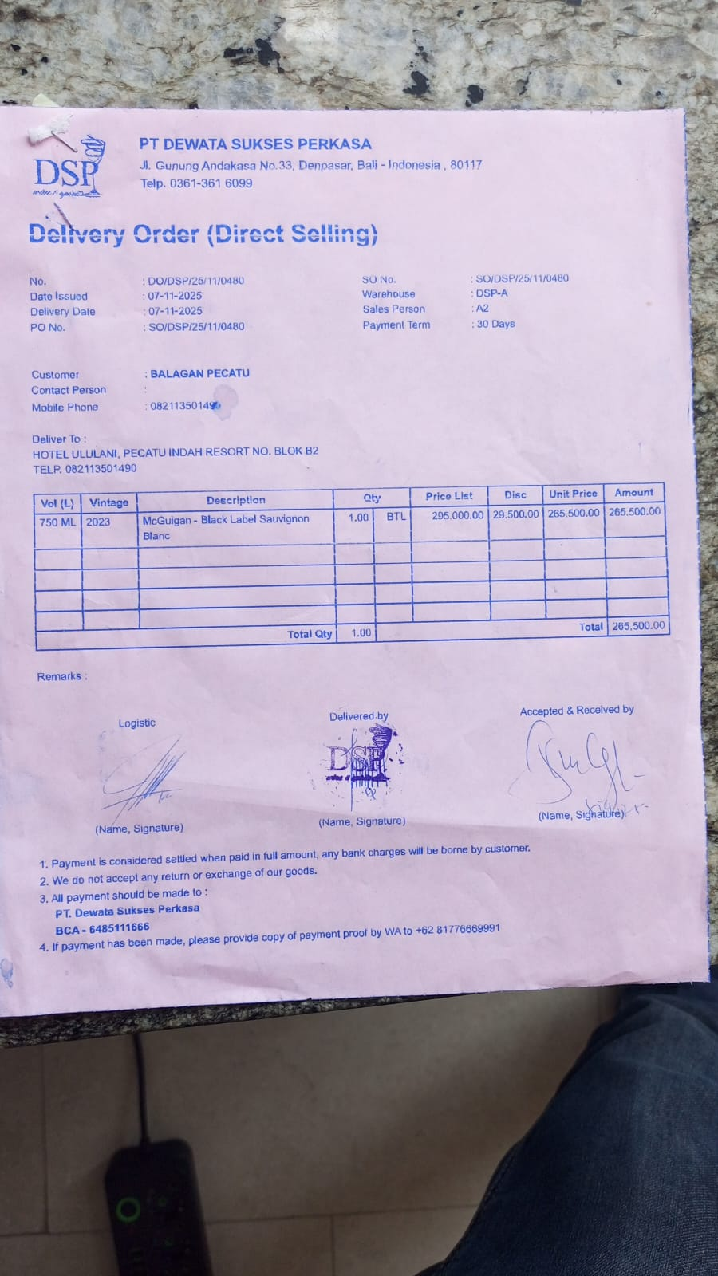
8-Nov-2025 | SO/DSP/25/11/0480 | HUNTER'S PINOT GRIS | 2 | IDR 385,000 | IDR 38,500 | IDR 346,500 | IDR 693,000 | IDR 693,000 | 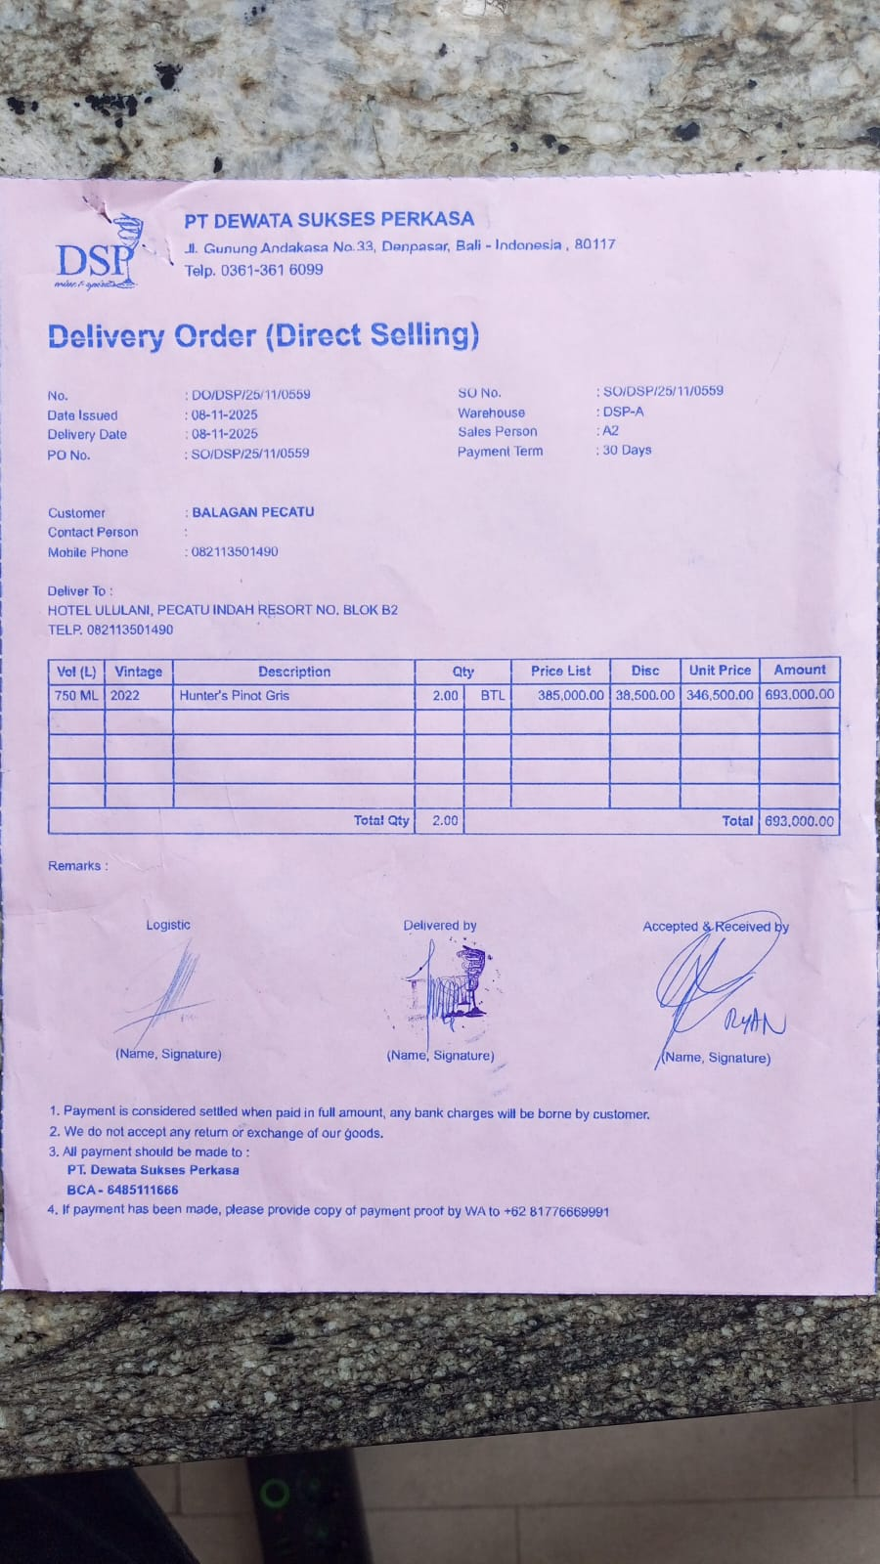
13-Nov-2025 | SO/DSP/25/11/0895 | MCGUIGAN - BLACK LABEL SAUVIGNON BLANC | 3 | IDR 295,000 | IDR 29,500 | IDR 265,500 | IDR 796,500 | IDR 2,272,500 | 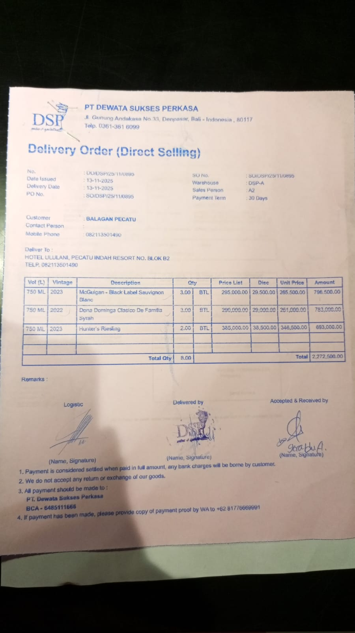
 |  | DONA DOMINGA CLASICO DE FAILIA SYRAH | 3 | IDR 290,000 | IDR 29,000 | IDR 261,000 | IDR 783,000
 |  | HUNTER'S RIESLING | 2 | IDR 385,000 | IDR 38,500 | IDR 346,500 | Rp693,000
15-Nov-2025 | SO/DSP/25/11/1050 | MCGUIGAN - BLACK LABEL SAUVIGNON BLANC | 3 | IDR 295,000 | IDR 29,500 | IDR 265,500 | Rp796,500 | Rp796,500 | 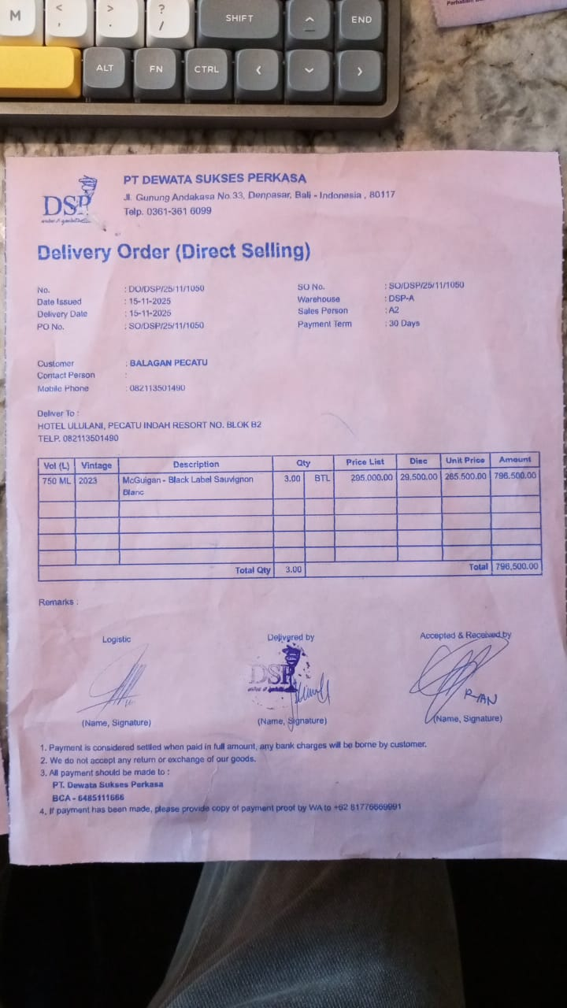
17-Nov-2025 | SO/DSP/25/11/1189 | HUNTER'S PINOT GRIS | 2 | IDR 385,000 | IDR 38,500 | IDR 346,500 | Rp693,000 | Rp693,000 | 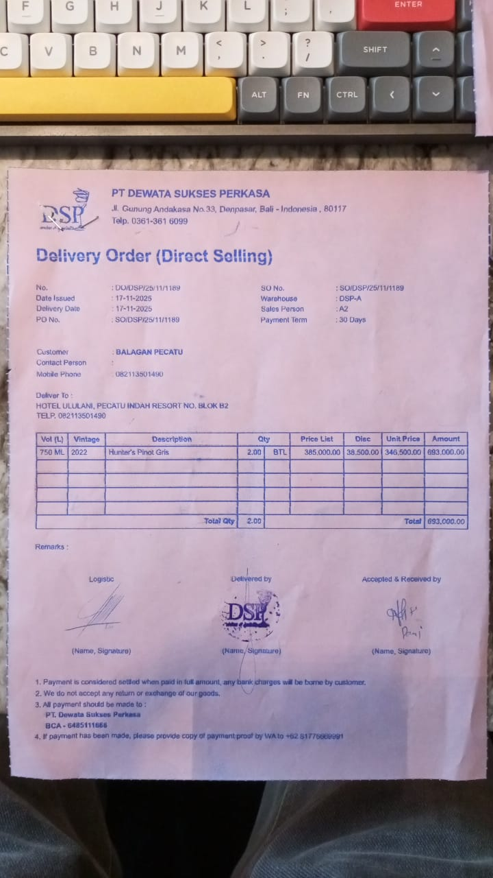
22-Nov-2025 | SO/DSP/25/11/1442 | MCGUIGAN - BLACK LABEL SAUVIGNON BLANC | 4 | Rp295,000 | Rp29,500 | Rp265,500 | Rp1,062,000 | Rp1,062,000 | 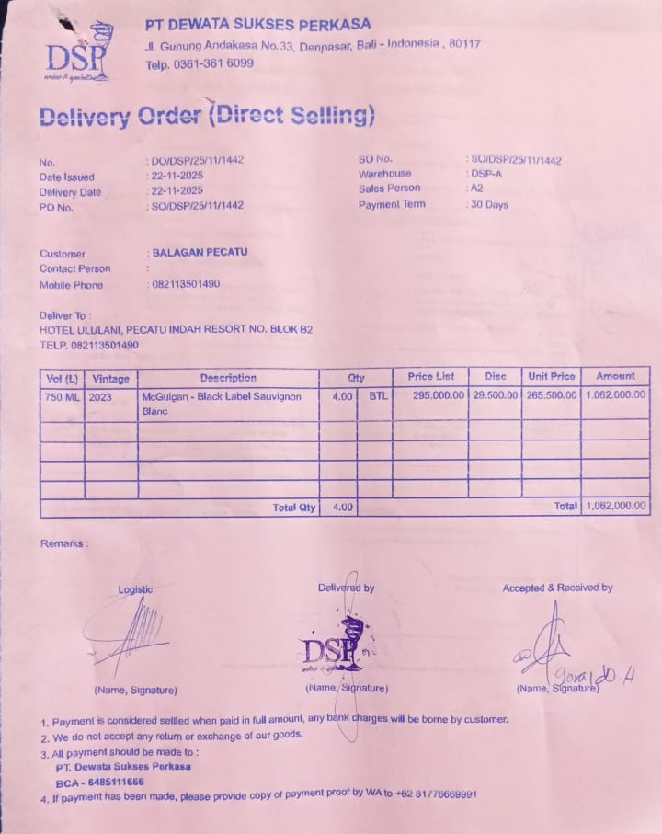
22-Nov-2025 | SOPR/ABC/25/11/0312 | HAVANA CLUB 3 YO | 4 | Rp334,000 |  | Rp334,000 | Rp1,336,000 | Rp1,336,000 | 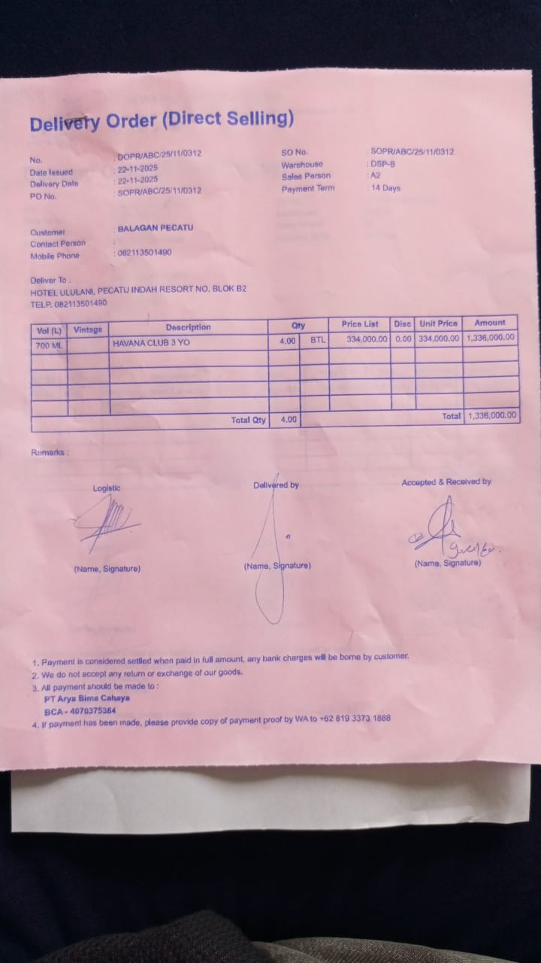
24-Nov-2025 | SO/DSP/25/11/1506 | ANTIGAL - ESTIMULO MALBEC | 3 | Rp270,000 | Rp27,000 | Rp243,000 | Rp729,000 | Rp729,000 | 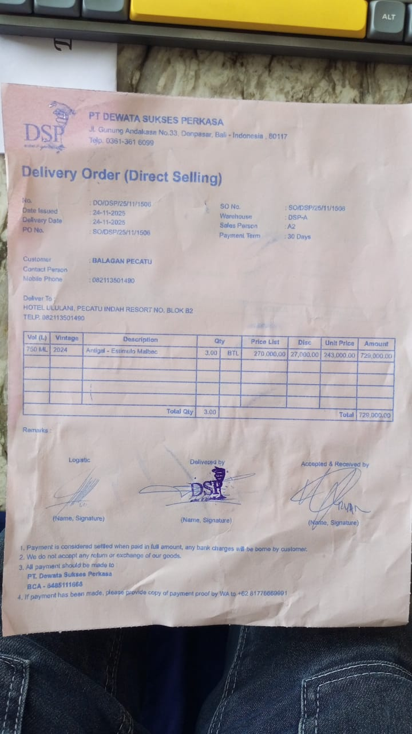
28-Nov-2025 | SO/DSP/25/11/1807 | MCGUIGAN - BLACK LABEL SAUVIGNON BLANC | 4 | Rp295,000 | Rp29,500 | Rp265,500 | Rp1,062,000 | Rp1,062,000 | 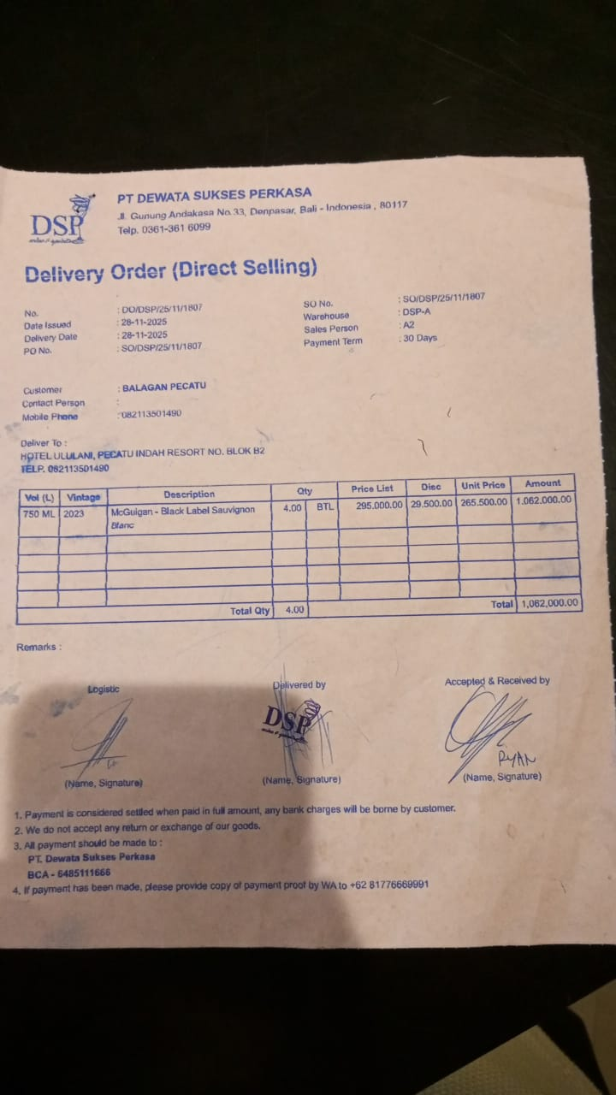
TOTAL |  |  |  |  | Rp12,023,500

